Chart - Migration assumptions
 | OE (Feb26) | OBR (Nov25) | OBR (Mar26)
2000 | 139
2001 | 153
2002 | 191
2003 | 194
2004 | 210
2005 | 336
2006 | 255
2007 | 305
2008 | 284
2009 | 220
2010 | 255
2011 | 270
2012 | 162 | 162 | 162
2013 | 215 | 215 | 215
2014 | 248 | 248 | 248
2015 | 296 | 296 | 296
2016 | 321 | 321 | 321
2017 | 200 | 200 | 200
2018 | 216 | 216 | 216
2019 | 224 | 224 | 224
2020 | 111 | 111 | 111
2021 | 251 | 254 | 251
2022 | 681 | 634 | 681
2023 | 924 | 906 | 924
2024 | 649 | 739 | 649
2025 | 204 | 290.77292878 | 204
2026 | 93 | 261.869 | 199.98943798
2027 | 139 | 258.464 | 203.36585738
2028 | 177 | 290.302 | 234.84238454
2029 | 204 | 326.822 | 253.92131056
2030 | 229 | 340 | 280.67287585
2031 | 251 | 340 | 289.95674082

OBR Mar26_C2.6
Back to contents
 | Chart 2.6: Net migration

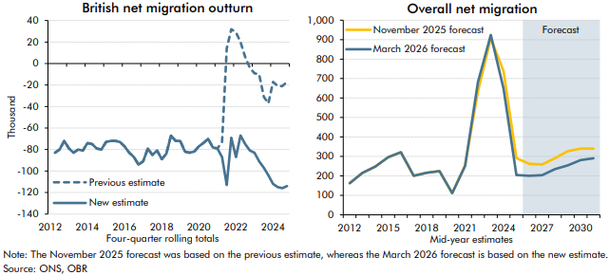

 | British net migration outturn | Previous estimate | New estimate | Overall net migration | November 2025 forecast | March 2026 forecast
 | 2012Q2 | -83 | -83 | 2012 | 162 | 162
 | 2012Q3 | -80 | -80 | 2013 | 215 | 215
 | 2012Q4 | -72 | -72 | 2014 | 248 | 248
 | 2013Q1 | -79 | -79 | 2015 | 296 | 296
 | 2013Q2 | -83 | -83 | 2016 | 321 | 321
 | 2013Q3 | -80 | -80 | 2017 | 200 | 200
 | 2013Q4 | -81 | -81 | 2018 | 216 | 216
 | 2014Q1 | -74 | -74 | 2019 | 224 | 224
 | 2014Q2 | -75 | -75 | 2020 | 111 | 111
 | 2014Q3 | -79 | -79 | 2021 | 254 | 251
 | 2014Q4 | -80 | -80 | 2022 | 634 | 681
 | 2015Q1 | -73 | -73 | 2023 | 906 | 924
 | 2015Q2 | -72 | -72 | 2024 | 739 | 649
 | 2015Q3 | -72 | -72 | 2025 | 291 | 204
 | 2015Q4 | -73 | -73 | 2026 | 262 | 200
 | 2016Q1 | -77 | -77 | 2027 | 258 | 203
 | 2016Q2 | -83 | -83 | 2028 | 290 | 235
 | 2016Q3 | -87 | -87 | 2029 | 327 | 254
 | 2016Q4 | -94 | -94 | 2030 | 340 | 281
 | 2017Q1 | -91 | -91 | 2031 | 340 | 290
 | 2017Q2 | -79 | -79
 | 2017Q3 | -85 | -85
 | 2017Q4 | -81 | -81
 | 2018Q1 | -89 | -89
 | 2018Q2 | -84 | -84
 | 2018Q3 | -67 | -67
 | 2018Q4 | -72 | -72
 | 2019Q1 | -72 | -72
 | 2019Q2 | -82 | -82
 | 2019Q3 | -83 | -83
 | 2019Q4 | -82 | -82
 | 2020Q1 | -77 | -77
 | 2020Q2 | -74 | -74
 | 2020Q3 | -70 | -70
 | 2020Q4 | -78 | -78
 | 2021Q1 | -79 | -79
 | 2021Q2 | -73 | -87
 | 2021Q3 | 14 | -113
 | 2021Q4 | 32 | -69
 | 2022Q1 | 29 | -87
 | 2022Q2 | 20 | -67
 | 2022Q3 | 6 | -75
 | 2022Q4 | -4 | -81
 | 2023Q1 | -9 | -83
 | 2023Q2 | -10 | -91
 | 2023Q3 | -31 | -97
 | 2023Q4 | -37 | -104
 | 2024Q1 | -17 | -112
 | 2024Q2 | -21 | -115
 | 2024Q3 | -21 | -116
 | 2024Q4 | -17 | -114

OBR Nov25 C2.8
Back to contents
 | Chart 2.8: Net migration

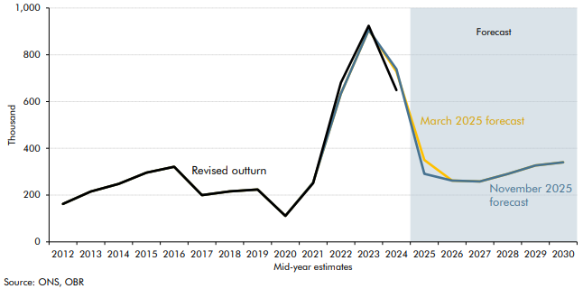

 |  | March 2025 forecast | November 2025 forecast | Revised Outturn
 | 2012 | 162 | 162 | 162
 | 2013 | 215 | 215 | 215
 | 2014 | 248 | 248 | 248
 | 2015 | 296 | 296 | 296
 | 2016 | 321 | 321 | 321
 | 2017 | 200 | 200 | 200
 | 2018 | 216 | 216 | 216
 | 2019 | 224 | 224 | 224
 | 2020 | 111 | 111 | 111
 | 2021 | 254 | 254 | 251
 | 2022 | 634 | 634 | 681
 | 2023 | 906 | 906 | 924
 | 2024 | 728 | 739 | 649
 | 2025 | 350 | 291
 | 2026 | 262 | 262
 | 2027 | 258 | 258
 | 2028 | 290 | 290
 | 2029 | 327 | 327
 | 2030 | 340 | 340

OBR Nov25 C2.25
Back to contents
 | Chart 2.25: Comparison of forecasts for real GDP

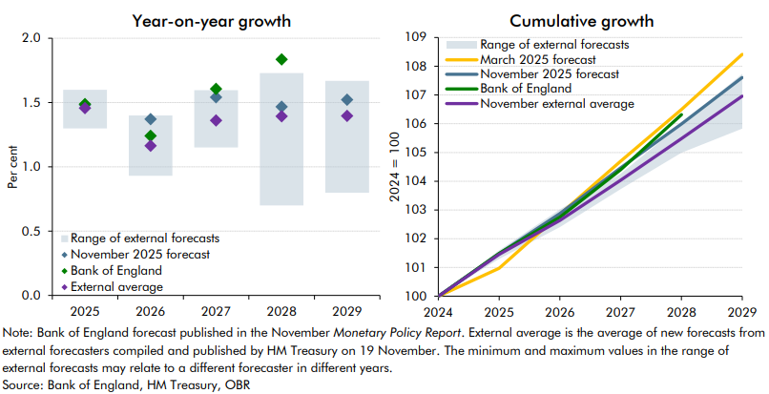

 | Growth | November 2025 forecast | Bank of England | External average | Lowest in range of external forecasts | Highest in range of external forecasts | Level | March 2025 forecast | November 2025 forecast | Bank of England | November external average | Lowest in range of external forecasts | Highest in range of external forecasts
 | 2024 | 1.1 |  |  |  |  | 2024 | 100.0 | 100.0 | 100.0 | 100.0 | 100.0 | 100.0
 | 2025 | 1.5 | 1.5 | 1.5 | 1.3 | 1.6 | 2025 | 101.0 | 101.5 | 101.5 | 101.5 | 101.3 | 101.6
 | 2026 | 1.4 | 1.2 | 1.2 | 0.9 | 1.4 | 2026 | 102.9 | 102.9 | 102.7 | 102.6 | 102.4 | 103.0
 | 2027 | 1.5 | 1.6 | 1.4 | 1.2 | 1.6 | 2027 | 104.7 | 104.5 | 104.4 | 104.0 | 103.7 | 104.3
 | 2028 | 1.5 | 1.8 | 1.4 | 0.7 | 1.7 | 2028 | 106.5 | 106.0 | 106.3 | 105.5 | 105.0 | 106.0
 | 2029 | 1.5 |  | 1.4 | 0.8 | 1.7 | 2029 | 108.4 | 107.6 |  | 107.0 | 105.8 | 107.7

Chart - Net inflows breakdown
 | Net inflows | Inflows | Outflows
2012 | 162 | 639 | 477
2013 | 215 | 669 | 454
2014 | 248 | 737 | 489
2015 | 296 | 778 | 482
2016 | 321 | 832 | 511
2017 | 200 | 718 | 518
2018 | 216 | 757 | 541
2019 | 224 | 821 | 597
2020 | 111 | 736 | 625
2021 | 251 | 818 | 567
2022 | 681 | 1,167 | 486
2023 | 924 | 1,466 | 543
2024 | 649 | 1,299 | 650
2025 | 204 | 898 | 693
2026 | 93 | 769 | 676
2027 | 139 | 780 | 641
2028 | 177 | 790 | 612
2029 | 204 | 804 | 600
2030 | 229 | 817 | 588
2031 | 251 | 833 | 583
2032 | 272 | 855 | 583

Chart - POPW & SPA
 | Working age population (LHS) | State pension age - males (RHS) | State pension age - females (RHS)
1980 | 0.6 | 65 | 60
1981 | 0.6 | 65 | 60
1982 | 0.5 | 65 | 60
1983 | 0.7 | 65 | 60
1984 | 0.7 | 65 | 60
1985 | 0.5 | 65 | 60
1986 | 0.4 | 65 | 60
1987 | 0.4 | 65 | 60
1988 | 0.3 | 65 | 60
1989 | 0.3 | 65 | 60
1990 | 0.2 | 65 | 60
1991 | 0.1 | 65 | 60
1992 | 0.0 | 65 | 60
1993 | 0.0 | 65 | 60
1994 | 0.2 | 65 | 60
1995 | 0.3 | 65 | 60
1996 | 0.4 | 65 | 60
1997 | 0.4 | 65 | 60
1998 | 0.4 | 65 | 60
1999 | 0.5 | 65 | 60
2000 | 0.6 | 65 | 60
2001 | 0.7 | 65 | 60
2002 | 0.7 | 65 | 60
2003 | 0.6 | 65 | 60
2004 | 0.8 | 65 | 60
2005 | 1.0 | 65 | 60
2006 | 0.8 | 65 | 60
2007 | 0.7 | 65 | 60
2008 | 0.6 | 65 | 60
2009 | 0.5 | 65 | 60
2010 | 0.8 | 65 | 60
2011 | 1.1 | 65 | 60
2012 | 0.7 | 65 | 60
2013 | 0.8 | 65 | 60
2014 | 0.9 | 65 | 60
2015 | 1.0 | 65 | 60
2016 | 1.0 | 65 | 60
2017 | 0.9 | 65 | 60
2018 | 0.9 | 65 | 65
2019 | 1.1 | 65 | 65
2020 | 0.9 | 65 | 65
2021 | 0.6 | 66 | 66
2022 | 0.9 | 66 | 66
2023 | 1.3 | 66 | 66
2024 | 1.0 | 66 | 66
2025 | 0.3 | 66 | 66
2026 | -0.2 | 66.153005464 | 66.153005464
2027 | 0.4 | 66.649315068 | 66.649315068
2028 | 0.9 | 67 | 67
2029 | 0.7 | 67 | 67
...

Chart - LT sickness
 | % of inactive | Average 1993-2025
1/1/1993 |  | 25.1
2/1/1993 |  | 25.1
3/1/1993 |  | 25.1
4/1/1993 | 21.2 | 25.1
5/1/1993 | 21.4 | 25.1
6/1/1993 | 21.7 | 25.1
7/1/1993 | 21.9 | 25.1
8/1/1993 | 22.0 | 25.1
9/1/1993 | 22.2 | 25.1
10/1/1993 | 22.6 | 25.1
11/1/1993 | 22.5 | 25.1
12/1/1993 | 22.4 | 25.1
1/1/1994 | 22.3 | 25.1
2/1/1994 | 22.3 | 25.1
3/1/1994 | 22.6 | 25.1
4/1/1994 | 22.5 | 25.1
5/1/1994 | 22.6 | 25.1
6/1/1994 | 22.6 | 25.1
7/1/1994 | 22.6 | 25.1
8/1/1994 | 22.8 | 25.1
9/1/1994 | 23.0 | 25.1
10/1/1994 | 23.1 | 25.1
11/1/1994 | 23.2 | 25.1
12/1/1994 | 23.6 | 25.1
1/1/1995 | 23.7 | 25.1
2/1/1995 | 23.8 | 25.1
3/1/1995 | 23.8 | 25.1
4/1/1995 | 24.2 | 25.1
5/1/1995 | 24.3 | 25.1
6/1/1995 | 24.4 | 25.1
7/1/1995 | 24.5 | 25.1
8/1/1995 | 24.7 | 25.1
9/1/1995 | 24.7 | 25.1
10/1/1995 | 24.7 | 25.1
11/1/1995 | 24.9 | 25.1
12/1/1995 | 24.9 | 25.1
1/1/1996 | 25.0 | 25.1
2/1/1996 | 24.9 | 25.1
3/1/1996 | 24.9 | 25.1
4/1/1996 | 25.3 | 25.1
5/1/1996 | 25.3 | 25.1
6/1/1996 | 25.5 | 25.1
7/1/1996 | 25.7 | 25.1
8/1/1996 | 26.0 | 25.1
9/1/1996 | 26.2 | 25.1
10/1/1996 | 26.2 | 25.1
11/1/1996 | 26.6 | 25.1
12/1/1996 | 26.7 | 25.1
1/1/1997 | 26.8 | 25.1
2/1/1997 | 26.8 | 25.1
...

Chart - Output per hour (5yrma)
 | 5-year moving average | 1970-2007 average | 2008-2019 average
1975 | 2.9 | 2.0
 | 2.6 | 2.0
 | 2.3 | 2.0
 | 2.1 | 2.0
1976 | 1.9 | 2.0
 | 1.8 | 2.0
 | 1.7 | 2.0
 | 1.7 | 2.0
1977 | 1.7 | 2.0
 | 1.6 | 2.0
 | 1.5 | 2.0
 | 1.4 | 2.0
1978 | 1.1 | 2.0
 | 1.0 | 2.0
 | 1.0 | 2.0
 | 1.0 | 2.0
1979 | 1.3 | 2.0
 | 1.7 | 2.0
 | 1.8 | 2.0
 | 2.0 | 2.0
1980 | 2.0 | 2.0
 | 1.9 | 2.0
 | 2.0 | 2.0
 | 1.8 | 2.0
1981 | 1.7 | 2.0
 | 1.7 | 2.0
 | 1.6 | 2.0
 | 1.7 | 2.0
1982 | 1.7 | 2.0
 | 1.9 | 2.0
 | 2.0 | 2.0
 | 2.1 | 2.0
1983 | 2.4 | 2.0
 | 2.5 | 2.0
 | 2.5 | 2.0
 | 2.5 | 2.0
1984 | 2.5 | 2.0
 | 2.2 | 2.0
 | 2.0 | 2.0
 | 1.9 | 2.0
1985 | 1.9 | 2.0
 | 2.3 | 2.0
 | 2.6 | 2.0
 | 2.8 | 2.0
1986 | 3.0 | 2.0
 | 2.9 | 2.0
 | 2.9 | 2.0
 | 2.8 | 2.0
1987 | 2.7 | 2.0
 | 2.7 | 2.0
...

Chart - GDP comparison
 | Consensus low | Consensus range | OE | OBR | Consensus
2024 | 100.0 | 0.0 | 100.0 | 100.0 | 100.0
2025 | 101.3 | 0.3 | 101.4 | 101.5 | 101.5
2026 | 102.3 | 0.8 | 102.3 | 102.9 | 102.6
2027 | 103.6 | 0.6 | 103.6 | 104.5 | 104.0
2028 | 105.0 | 1.0 | 105.1 | 106.0 | 105.5
2029 | 105.8 | 1.9 | 106.6 | 107.6 | 107.0
2030 |  |  | 108.2 | 109.3

